RLF Report Template
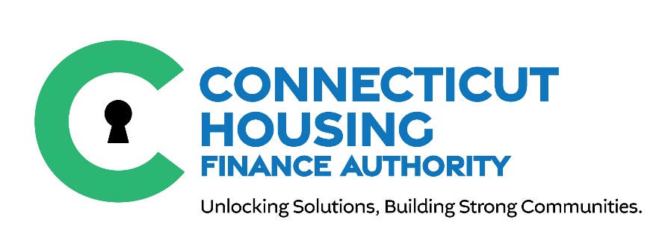
CONNECTICUT HOUSING FINANCE AUTHORITY

HTCC Quarterly Report for Revolving Loan Funds (RLF)
Version 2.2024

All HTCC Quarterly Reports must be submitted via our secured HTCC Sharefile portal here.

NONPROFIT NAME:

PROJECT NAME:

HTCC PROJECT #: |  |  | HTCC AWARD AMOUNT:

NONPROFIT CONTACT PERSON: |  |  | EMAIL ADDRESS:

REQUIRED CLOSEOUT DATE: |  |  | QUARTER ENDED:

REQUIRED ATTACHMENTS:
 | Copies of Bank Statements for Segregated Account
 | List of loans originated since fund's inception. At a minimum, the list should include loan # or identifier, address, Town/City, # of units, loan amount, summary of loan terms and brief description of the timing and amount of revolved funds anticipated. For Workforce Housing Set-Aside, if applicable, include the Town/City of place of employment.
 | Accounting of the fund's activity, including any receipts and disbursements, from the fund's establishment to the current period.
 | Bank Reconciliation/Check Register for the current quarter
 | All relevant loan documents that backup the use of HTCC funds (e.g.- Promissory Note, Deed)
 | Signed Quarterly Report Acknowledgement provided (below)

STATUS OF LOAN FUNDS:

Amount of disbursements this quarter: |  | $0
Amount of disbursements from the date
of fund's inception to this quarter: |  | $0

Amount of receipts this quarter: |  | $0
Amount of receipts from
date of fund's inception to this quarter: |  | $0

NARRATIVE UPDATE. Please provide a brief description on the progress of deployment of revolving loan funds. Discuss progress towards meeting applicant commitments and points items (i.e.- Affordability and Livability Initiatives). Describe any delays or issues that may impact the ability of the NonProfit to fully deploy funds within the required three years timeframe and meeting applicant commitments.

It is the Applicant’s responsibility to submit this report on time in order to remain in compliance with the program requirements. Incomplete responses, or lack of information provided for each line item will result in an incomplete submittal and may result in non-compliance in your reporting requirements.

The undersigned by its signature below acknowledges that this quarterly report is complete and accurate. I understand complete and accurate reports are required in order to remain eligible to apply for an award in future HTCC funding rounds. Applicant further acknowledges that its HTCC award(s) is/are subject to recapture in instances of non-compliance at the sole determination of CHFA. At the discretion of CHFA, incomplete responses will need to be resubmitted within five (5) business days. CHFA may make periodic site visits and monitor programs to ensure compliance with the HTCC program.

Signed under penalty for false statement, Sec. 53a – 157b of the Connecticut General Statutes

Print Name

Signature |  |  |  | Date

